Local Std UHF Channelisation
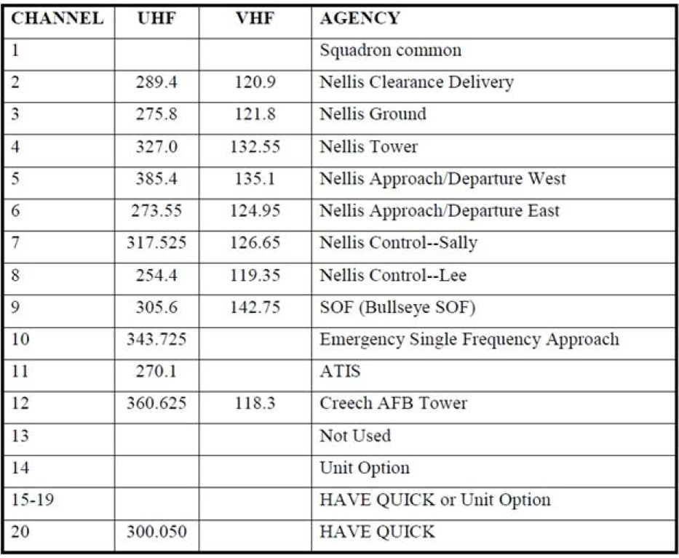
CHANNEL | UHF | AGENCY
1 |  | Squadron Common
2 | 289.400 | Nellis Clearance Delivery
3 | 275.800 | Nellis Ground
4 | 327.000 | Nellis Tower
5 | 385.400 | Nellis Approach/Departure WEST
6 | 273.550 | Nellis Apporach/Departure EAST
7 | 317.525 | Nellis Control -- SALLY
8 | 254.400 | Nellis Control -- LEE
9 | 305.600 | SOF (Bullseye SOF)
10 | 251.000 | Emergency Single Frequency Approach
11 | 270.100 | ATIS
12 | 360.625 | Creech AFB Tower
13 |  | Unused
14 | 377.800 | BLACKJACK
15 | 295.400 | AR-641A HI / Unit Option
16 | 276.100 | AR-641A LO / Unit Option
17 | 352.600 | AR-635 HI / Unit Option
18 | 317.775 | AR-635 LO / Unit Option
19 | 343.600 | AR-230V / Unit Option
20 | 282.025 | AWACS

CA Frequencies
